1. Title Page
[Project Name]

Project Name: Instacart Order and Customer Analysis
Date: 25.04.2023
Analyst Name: Daniel Hurrle

Contents:
Population Flow
Consistency checks
Wrangling steps
Column derivations
Visualizations
Recommendations

Data
“The Instacart Online Grocery Shopping Dataset 2017”, Accessed from www.instacart.com/datasets/grocery-shopping-2017 via Kaggle on [date].
Data for "prices" and "customer" have been fabricated for the purpose of this exercise

2. Population Flow
 |  |  | Title page

Population flow

Exclusion flag
Condition: max_order < 5
Obervations to be removed: 1,441,570
Final total count of order_products_all: 32,435,059
30993489

Orders_products_combined
Orders_products_merged
Orders_products_all

Total:
Total:
Total:
32,434,489 | 32,435,070 | 32,435,059

1.) The grey boxes in the first row of the population flow represent the original data sets as they were when you downloaded them. In the Total fields you need to add the count of the rows when you imported the data set into Jupyter.
2.) The second row of boxes (coloured) represents the data sets after you manipulated them, e.g., removed missing values and duplicates. In the Total fields you need to add the count of the rows after conducting these operations. This offers a visual oveview of how the data flows throughout the data consistency checks.
3.) The third row, where also the arrows are coloured, represents the merges you performed between the datasets. In the Total fields you need to add the count of the rows in the merged datasets, so that you end up with the final dataset (in the red box). Keep in mind the final dataset should be without exclusions (based on the exclusion flag).

3. Consistency checks
 |  |  |  | Title page
Consistency checks

Dataset | Missing values | Missing values treatment | Duplicates
orders
products | 16 (product_name) | dropped | 5
orders_products_prior | 0 |  | 0
customers | 0 |  | 0

4. Wrangling steps
 |  |  |  | Title page
Wrangling steps

Columns dropped | Columns renamed | Columns' type changed | Comment/Reason
eval_set |  |  | not needed for further analysis
 | order_dow = orders_day_of_week |  | clarify
 |  | order_id | changed to str
 |  | user_id | changed to str
Unnamed:0 |  |  | not needed for further analysis
 | First Name : first_name
 | Surnam: surname
 | Gender: gender
 | STATE : state
 | Age : age
 |  | first_name | changed to str
last_name, first_name |  |  | PII data

5. Column derivations
 |  |  |  | Title page

Column derivations and aggregations

In this tab you should add tables below that the frequences of flags/label variables that you produced after deriving them. NB: don't do this for continuous variables, only for flags.
Dataset | New column | Column/s it was derived from | Conditions
ords_prods_merge | loyalty_flag | max_order | >40 loyal, <=40 regular >10, >=10 new customer)
ords_prods_merge | spending_flag | prices | <10 low spender, >= 10 high spender
ords_prods_merge | frequency_flag | order_frequency | >20 non-frequent, >10 regular, <10 frequent
ords_prods_cust | region | state | according to state region
ords_prods_cust | age_category | age
ords_prods_cust | income_category | income | <50k / 50k-120k / >120k
ords_prods_cust | alcohol_category | department_id | if order in department id 5
ords_prods_cust | parent_category | n_dependants | if n_dependants >=1

6. Visualizations
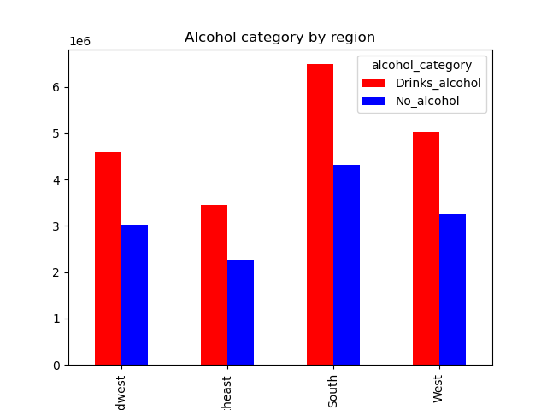
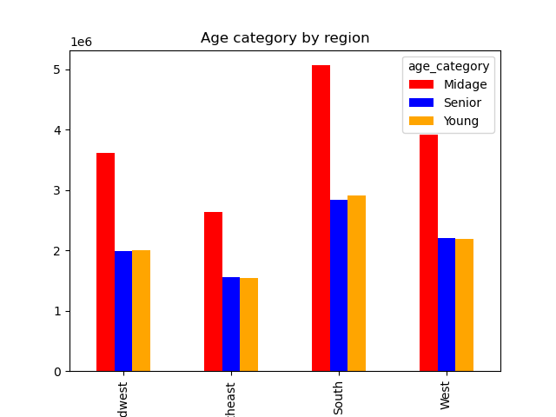
 |  |  |  |  |  |  |  |  |  |  |  |  | Title page

Visualisations

In this tab you should include all the visualtions from Exercises 4.9 and 4.10, alongside the questions from the project brief that they answer. Include any commentary on the relationship between different variables.

Sales per day and hour

The sales team needs to know what the busiest days of the week and hours of the day are (i.e., the days and times with the most orders) in order to schedule ads at times when there are fewer orders.

Order volume per weekday
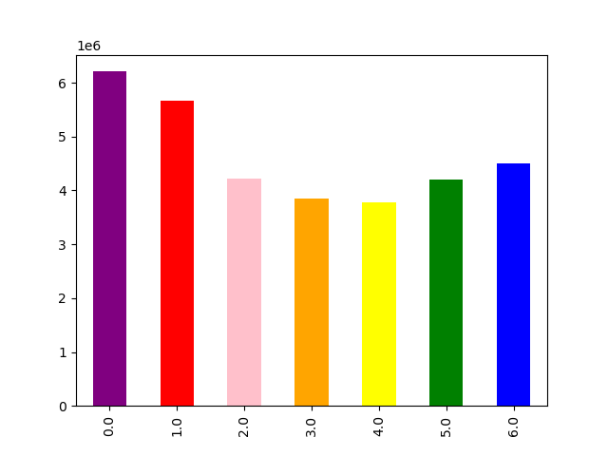

 |  |  |  |  |  |  | Saturday and Sunday have the highest order volume.

0 | 1 | 2 | 3 | 4 | 5 | 6
Saturday | Sunday | Monday | Tuesday | Wednesday | Thursday | Friday

Order volume per hour of day
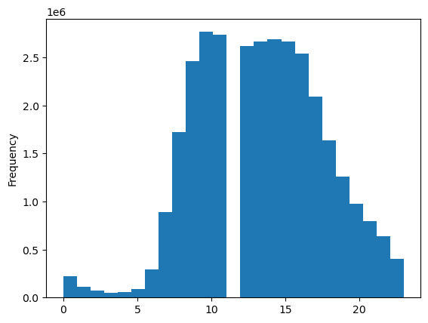
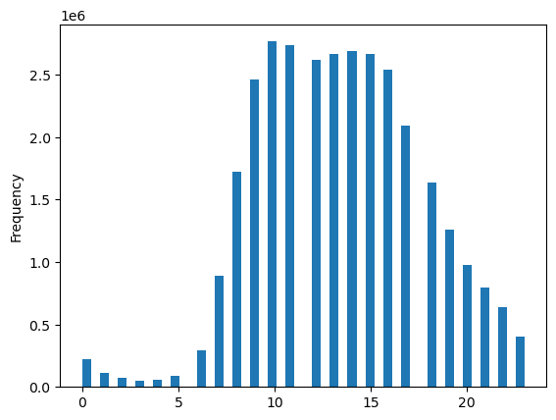

Between 0:00 am and 6:00 am the order volume is the lowest, whereas the peak volume is reached during 09:00 am - 15:00 pm.

Price per hour per day

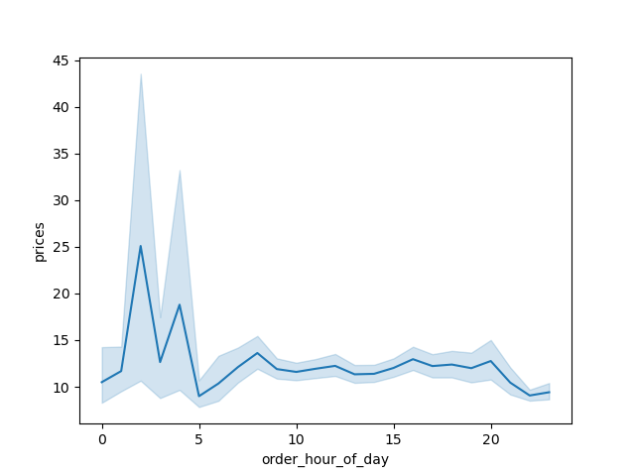
They also want to know whether there are particular times of the day when people spend the most money, as this might inform the type of products they advertise at these times.

 |  |  |  |  |  |  |  | Customers spend the most between 0 and 5am.

Brand loyalty

The marketing and sales teams are particularly interested in the different types of
customers in their system and how their ordering behaviors differ. For example:

● What’s the distribution among users in regards to their brand loyalty (i.e., how often do they return to Instacart)?

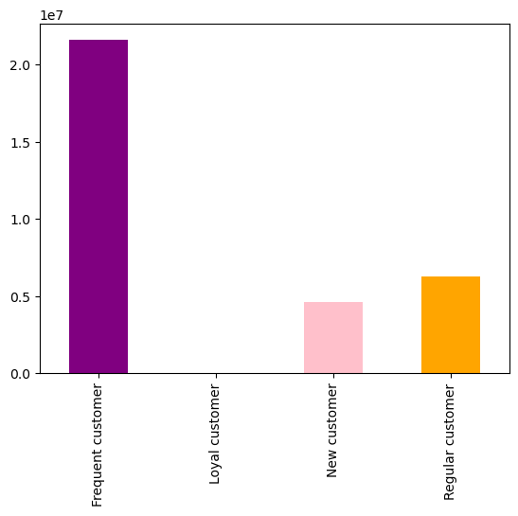

 |  |  |  |  |  | The majority of customers are classified as frequent customers.

Customer segmentation

A) Age
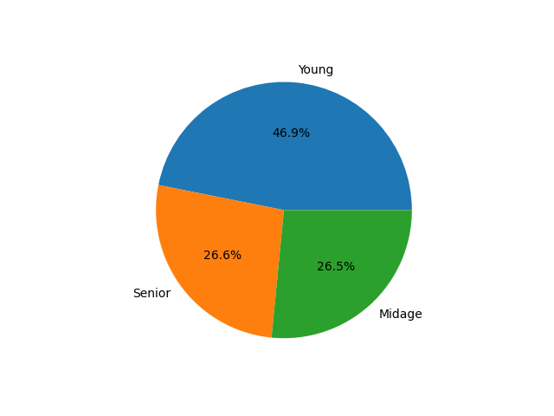

Almost half of the customer base belong to the Young segment, whereas Senior and Midage share the other half.

b) Income
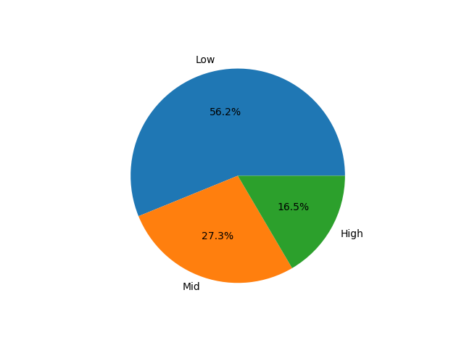

More than half of the customer base only have a low income, while more than a quarter have a mid income. 16,5% of the customer base have a high income.

c) Parents

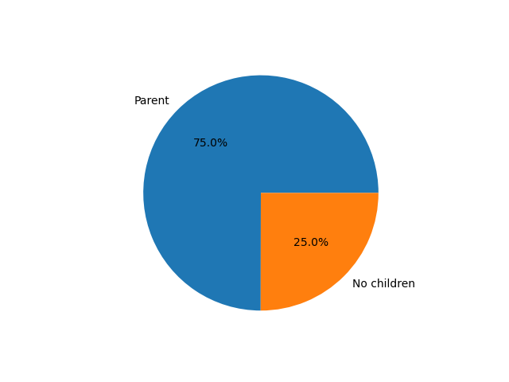

75% of the customer base are parents.

d) Alcohol drinkers
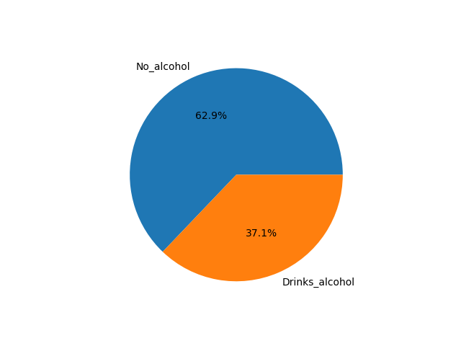

37% of customers have ordered an alcoholic beverage before.

Region breakdown

1.Age per region

 |  |  |  |  |  |  |  | age_category | Midage | Senior | Young | Total | Y v T
 |  |  |  |  |  |  |  | region
 |  |  |  |  |  |  |  | Midwest | 3607237 | 1992375 | 2004404 | 7604016 | 26% | 47%
 |  |  |  |  |  |  |  | Northeast | 2635836 | 1555431 | 1537177 | 5728444 | 27% | 46%
 |  |  |  |  |  |  |  | South | 5062159 | 2838827 | 2900996 | 10801982 | 27% | 47%
 |  |  |  |  |  |  |  | West | 3911287 | 2196176 | 2193154 | 8300617 | 26% | 47%

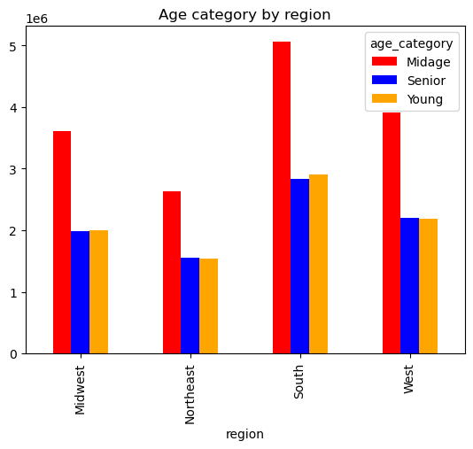 |  |  |  |  |  |  |  | There are only marginal differences between the regions for the age distribution and they follow the general population density per region.

2. Income per region

 |  |  |  |  |  |  |  | income_category | High | Low | Mid | 0
 |  |  |  |  |  |  |  | region
 |  |  |  |  |  |  |  | Midwest | 2281397 | 839200 | 4483419 | 7604016 | 0.30002527612
 |  |  |  |  |  |  |  | Northeast | 1703567 | 628010 | 3396867 | 5728444 | 0.29738738827
 |  |  |  |  |  |  |  | South | 3157338 | 1220859 | 6423785 | 10801982 | 0.29229247003
 |  |  |  |  |  |  |  | West | 2437507 | 909876 | 4953234 | 8300617 | 0.29365371273

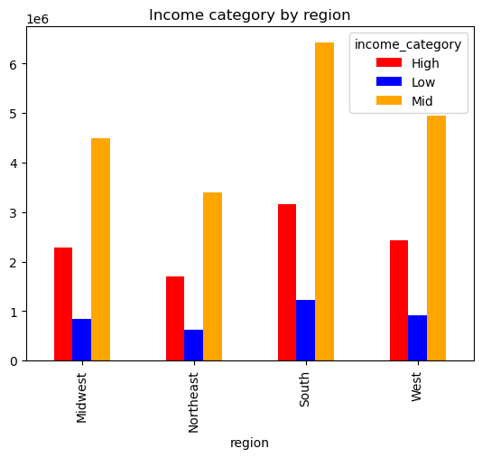 |  |  |  |  |  |  |  | There are only marginal differences between the regions for the income distribution and they follow the general population density per region.

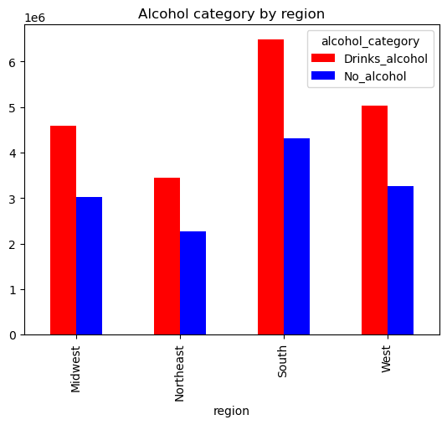
3. Alcohol drinkers per region
 |  |  |  |  |  |  |  | alcohol_category | Drinks_alcohol | No_alcohol
 |  |  |  |  |  |  |  | region
 |  |  |  |  |  |  |  | Midwest | 4583185 | 3020831 | 7604016 | 0.60273216153
 |  |  |  |  |  |  |  | Northeast | 3453658 | 2274786 | 5728444 | 0.6028963537
 |  |  |  |  |  |  |  | South | 6486233 | 4315749 | 10801982 | 0.60046693283
 |  |  |  |  |  |  |  | West | 5032941 | 3267676 | 8300617 | 0.60633336052

 |  |  |  |  |  |  |  | There are only marginal differences between the regions for the alcohol drinker distribution and they follow the general population density per region.

4. Parent

 |  |  |  |  |  |  |  |  | parent_category | No children | Parent
 |  |  |  |  |  |  |  |  | region
 |  |  |  |  |  |  |  |  | Midwest | 1906983 | 5697033 | 7604016 | 0.74921370497
 |  |  |  |  |  |  |  |  | Northeast | 1419716 | 4308728 | 5728444 | 0.75216376384
 |  |  |  |  |  |  |  |  | South | 2704297 | 8097685 | 10801982 | 0.74964807384
 |  |  |  |  |  |  |  |  | West | 2074349 | 6226268 | 8300617 | 0.75009701086

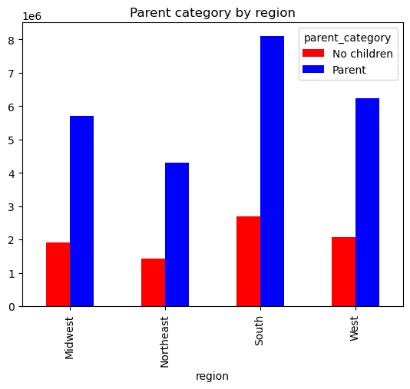 |  |  |  |  |  |  |  |  | There are only marginal differences between the regions for the parent distribution and they follow the general population density per region.

7. Recommendations
 |  | Title page

Recommendations

In this tab you should include any recommendations you would made to Instcart in terms of their marketing strategy based on the questions posed in the brief. Every key question has been covered in the Tasks of the Exercises - here you need to add an item - a visualisation or table/crosstable that is showing the answer in the data, acompanied by a comment from you. Please, list the questions below and add the answer underneath.

Question | Answer
Key Question 1
Key Question 2
Key Question 3
Key Question 4
Key Question 5
Key Question 6
Key Question 7

